Questions
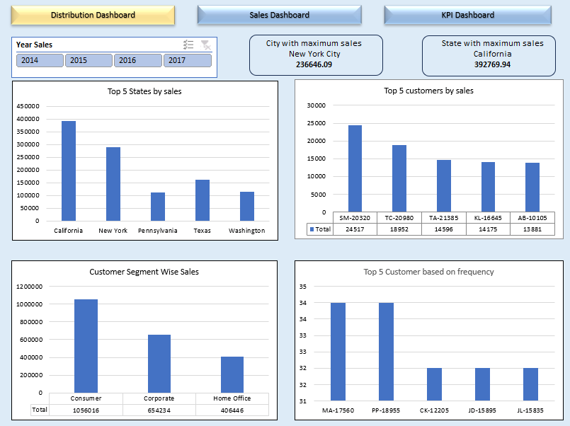
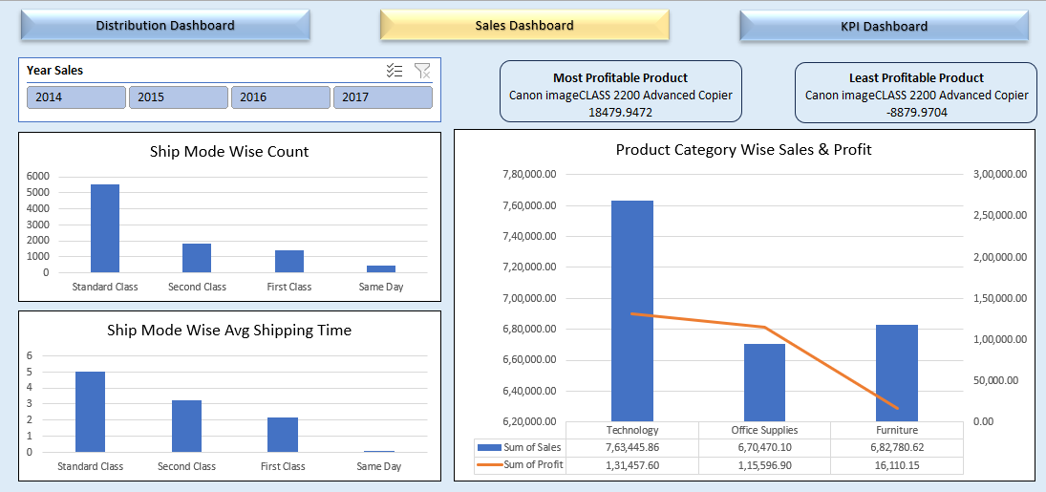
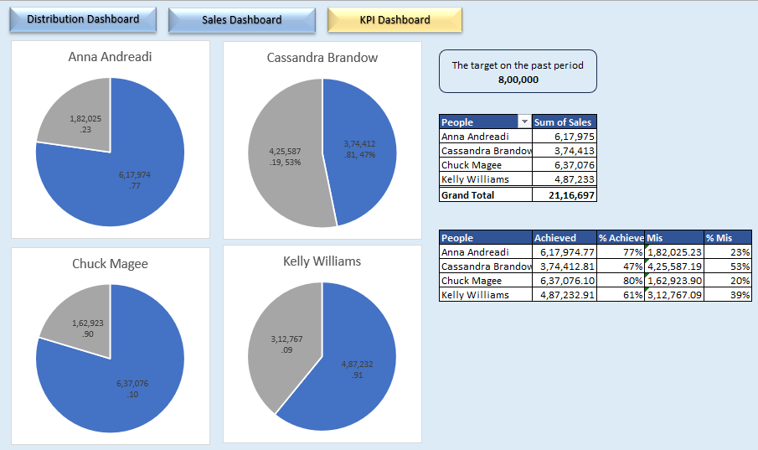
 | Data Cleaning & preparation
1 | Create a new column in Orders file, "Returns". Use vlookup to fetch the values for this column.
2 | Create a new sheet. Name it "Clean Data".
3 | Use FILTER function to fetch all the order data which are not returned into the "Clean Data" Sheet.
4 | Create a calculated column profit, with the formula [Sales - COGS - Discount]. Note, value of COGS and Discount are negative.

 | Pivot Table Analysis

 | To Enhance Customer Loyalty
1 | What is the most used ship mode by our customer?
2 | Who are our top 5 customers in terms of sales and order frequency?

 | To monitor our strength and weak points
1 | Which segment of clients generates the most sales?
2 | Which city has the most sales value?
3 | Which state generates the most sales value?

 | Performance measurement
1 | Display product categories wise sales and profit.
2 | What is the most profitable product that we sell?
3 | What is the lowest profitable product that we sell?

 | Customer Experience
1 | On Average how long does it take the orders to reach our clients? Based on each Shipping Mode

 | Make following dashboards:
 | 1. Distribution Dashboard.

 | Create charts for the following:
 |  | a) Plot top 5 states on a map chart.
 |  | b) Top 5 customers by sales.
 |  | c) Customer Segment Wise Sales
 |  | d) Top 5 customers based on frequency

 | Create KPIs for:
 |  | a) State with maximum sales
 |  | b) City with maximum sales

 | Create Slicer for Sales Year.

 | 2. Sales Dashboard

 | Create charts for the following:
 |  | a) Ship Mode Wise Count
 |  | b) Ship Mode Wise Average Shipping Time
 |  | c) Product Category Wise Sales & Profit

 | Create KPIs for:
 |  | a) Most Profitable Product
 |  | b) Least Profitable Product

 | 3. Sales People Dashboard

 | For Sales People Dashboard take 800000 as sales target of each sales person and find how far has the target been achieved. Show your findings using visuals.

 | a) Calculate the sales done by each sales person.
 | b) Calculate the percentage of target achieve and missed.
 | c) Plot these values for each sales person.

 | Expected Dashboards:

